Indices

 | Iraq Stock Exchange
 | Bulletin No (2)

 | ISX Trading Indices of Monday 5/1/2026

 | Traded Volume and OTC |  | 533,158,163 |  | Traded Value and OTC |  | 712,074,571 |  | Traders | 704

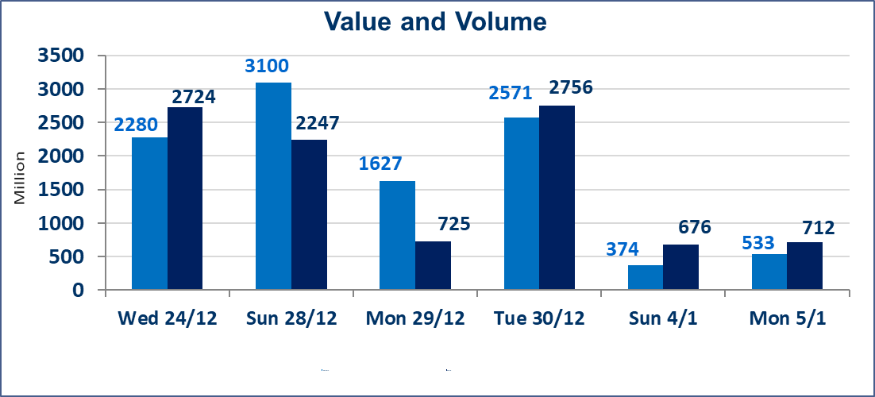
 | ISX Index 60 |  |  | 982.27 | ISX Index 15 |  |  | 1202.07
 | Previous ISX Index60 |  |  | 980.20 | Previous ISX Index15 |  |  | 1200.82
 | Change % |  |  | 0.21 | Change % |  |  | 0.10
 | Change |  |  | 2.07 | Change |  |  | 1.25

 | Listed Companies | 104 | OTC | 14 | Non Traded listed | 45 | OTC | 12
 | Traded Listed Companies | 43 | OTC | 2 | Higher Companies |  |  | 13
 | GAM Companies |  |  | 6 | Lower Companies |  |  | 17
 | Suspended Companies |  |  | 10
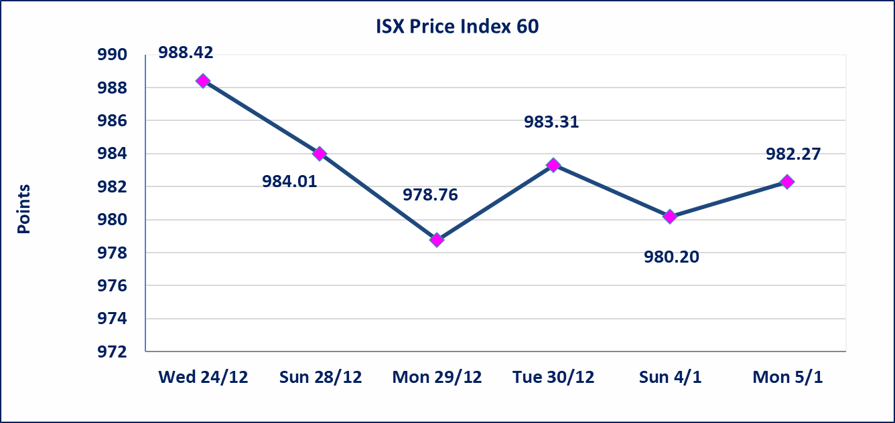
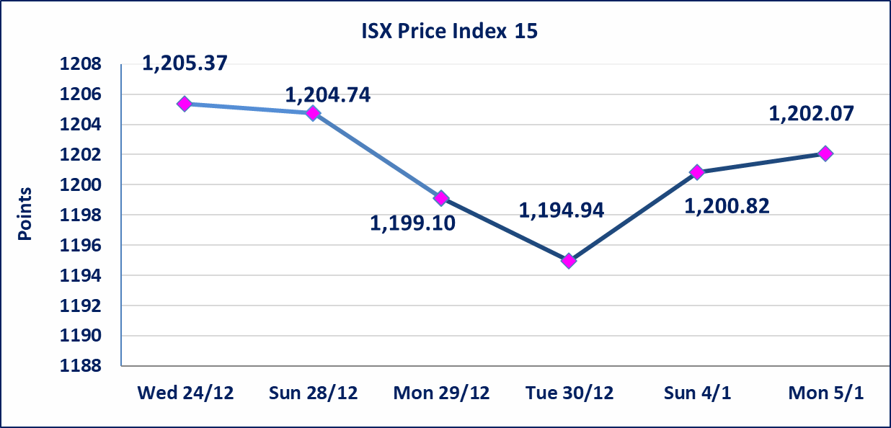

Al-Alwiya P.O . 3607 Mobile: 07711211522 - 07270094594 - 07834000034 E-mail: info-isx@isx-iq.net Web site:www.isx-iq.net

Top 5
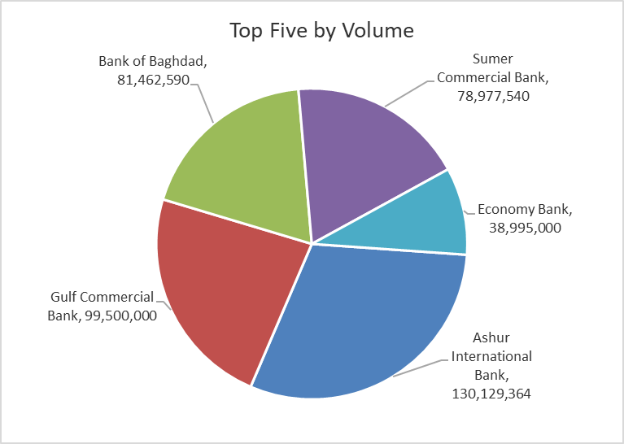
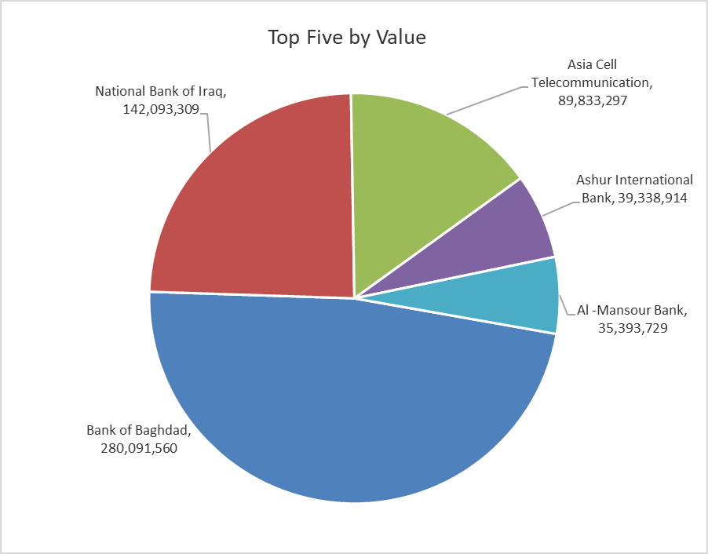
ISX top ganing and losing companies
Monday 5/1/2026
 | Gainers |  |  |  | Losers
 | Company Name | Closing Price | Change (%) | Traded Volume | Company Name | Closing Price | Change (%) | Traded Volume
 | Iraq Noor Islamic Bank for Investment | 0.200 | 11.11 | 50,000 | Babil Animal & Vegetable Production | 6.510 | -14.90 | 119,273
 | Kharkh Tour Amuzement City | 4.600 | 8.24 | 111,271 | Ashur International Bank | 0.300 | -6.25 | 130,129,364
 | Mansour Hotel | 48.000 | 6.67 | 239,126 | Sumer Commercial Bank | 0.150 | -6.25 | 78,977,540
 | Credit Bank Of Iraq | 0.630 | 5.00 | 2,201,675 | Ready Made Clothes | 2.350 | -6.00 | 418,827
 | Al-Ameen for Insurance | 0.950 | 3.26 | 60,000 | Economy Bank | 0.230 | -4.17 | 38,995,000
 | The most active companies in term of traded volume and value

 | Traded Volume |  |  |  | Traded Value
 | Company Name | Closing Price | Change (%) | Traded Volume | Company Name | Closing Price | Change (%) | Traded Value
 | Ashur International Bank | 0.300 | -6.25 | 130,129,364 | Bank of Baghdad | 3.430 | -0.58 | 280,091,560
 | Gulf Commercial Bank | 0.290 | 0.00 | 99,500,000 | National Bank of Iraq | 4.800 | 0.00 | 142,093,309
 | Bank of Baghdad | 3.430 | -0.58 | 81,462,590 | Asia Cell Telecommunication | 13.450 | 0.37 | 89,833,297
 | Sumer Commercial Bank | 0.150 | -6.25 | 78,977,540 | Ashur International Bank | 0.300 | -6.25 | 39,338,914
 | Economy Bank | 0.230 | -4.17 | 38,995,000 | Al -Mansour Bank | 1.960 | 0.51 | 35,393,729

Non Iraqis

Iraq Stock Exchange
Non Iraqis' Bulletin Monday Jun 5 2026
Regular Market

Non Iraqi Trading of Regular Market (Buy)
Company Names | Code | No.of trades | Traded Shares | Trading Volume
Banks Sector
Gulf Commercial Bank | BGUC | 9 | 41,000,000 | 11,890,000
Total Bank sector |  | 9 | 41,000,000 | 11,890,000
Grand Total |  | 9 | 41,000,000 | 11,890,000

